Instructions


 | Read the instructions below and enter either your answer or a formula

 | CLUE | INSTRUCTION | Your Answer |  | Equations
 | 1 | What is the cell reference of BOB? |  | WRONG
0 | 2 | You travel to the bricks, what is your compass bearing? |  | WRONG
0 | 3 | BOB finds some bricks locked away at F14, the code is H14*0.25, Can you work out the code? |  | WRONG | 76
0 | 4 | You travel to cell L4, what is your compass bearing? |  | WRONG
0 | 5 | You build your house, shade the area L4, L13 - 04, 013 How many bricks do you need? |  | WRONG
0 | 6 | You discover some defences for you home, what compass bearing do you take? |  | WRONG
0 | 7 | Can you crack the code, add all the cellsand inluding H18 to K18 and divide by 7 |  | WRONG | 3 | 5 | 7 | 8
0 | 8 | You defend your house, add ones all round the outside of the house |  | WRONG
0 | 9 | You discover some gold, what compass bearing do you take from your house? |  | WRONG
0 | 10 | You discover some gold, but you have to get in! | 0
1 | 11 | To steal the gold, solve this puzzle, 26/8*32 |  | WRONG
0 | 12 | You steal 30.5kg of gold, Each gram can be sold for 37p, How much money do you make? |  | WRONG | 256
0 | 13 | You return home, your house is attacked by a creeper, add together the values in the next row to see if you survive
0 | 14 | 12+ H23/10 |  | WRONG
0 |  | WELL DONE YOU COMPLETED THE GAME

World
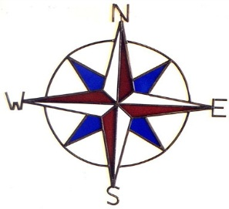

 |  |  |  |  |  | 0

 |  | 19 |  |  |  | 0
 |  |  |  |  | 0 | 10
BRICKS



 |  |  |  | 0.00
 | BOB

 |  |  | DEFENCES

